2. Version 2.0 Criteria
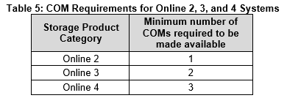
Table 1: V2.0 Efficiency Requirements

