3. Product Distribution Plots
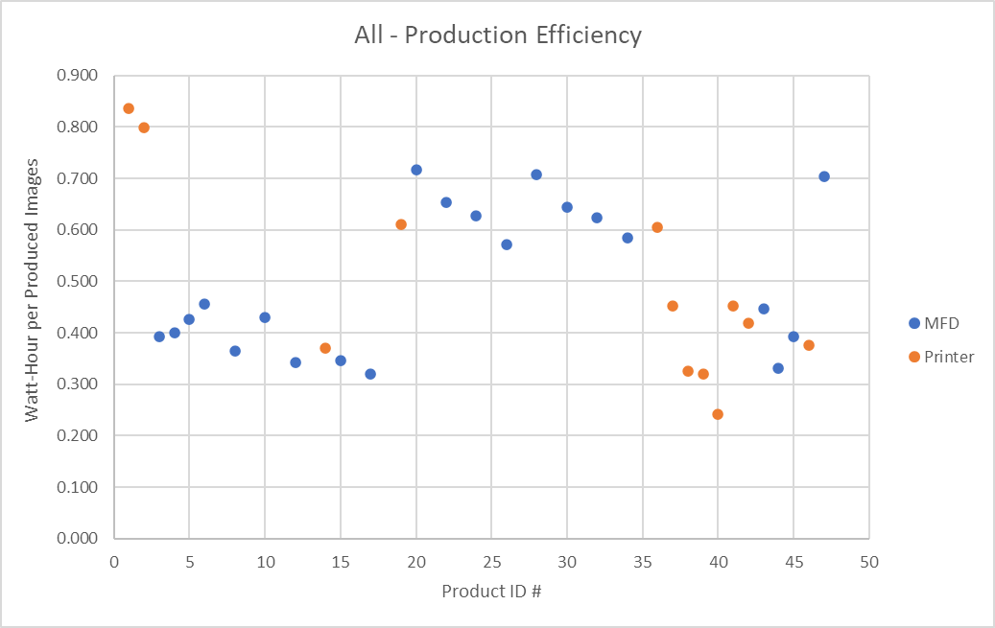
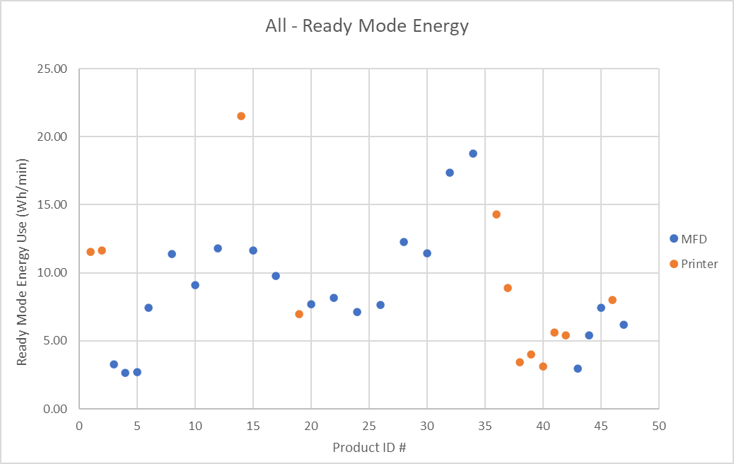
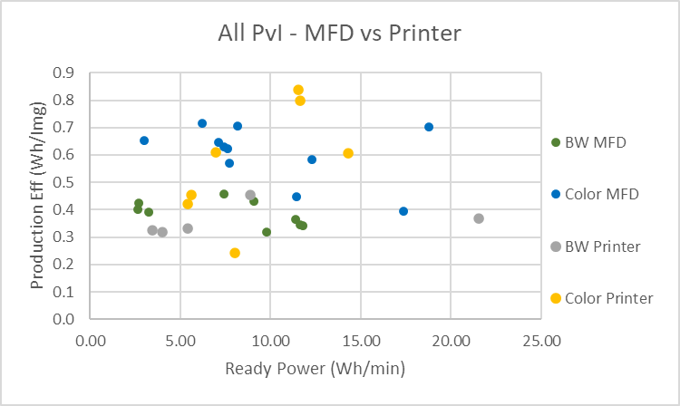
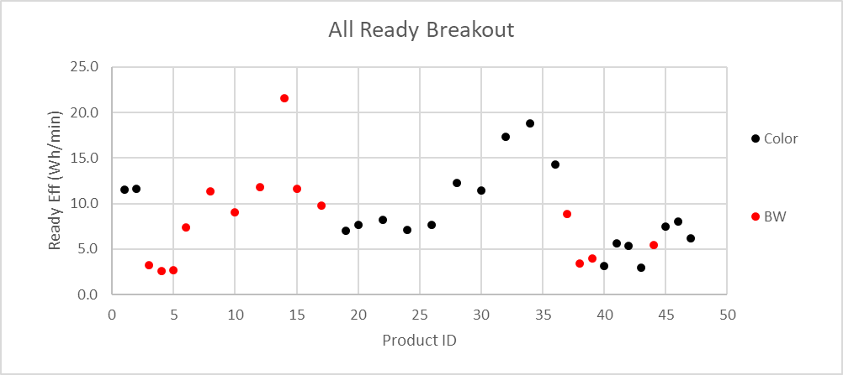
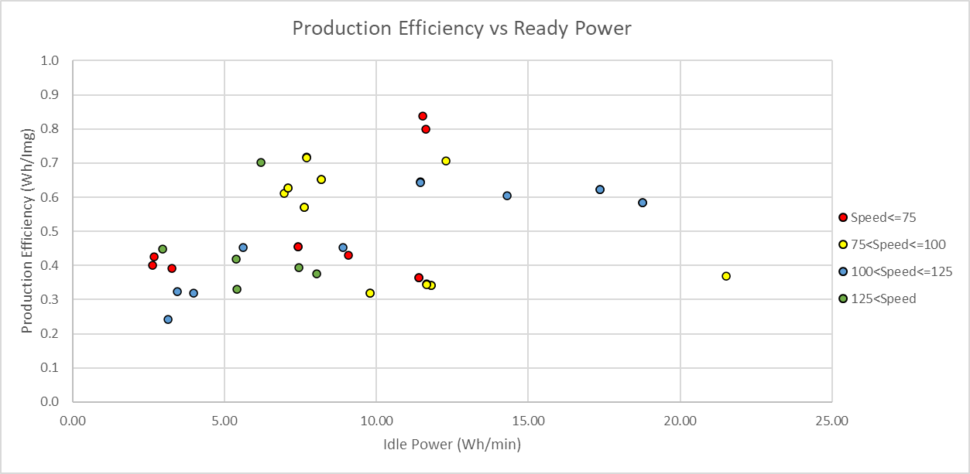
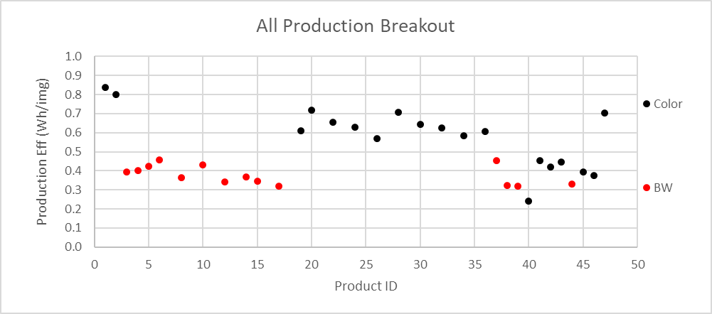
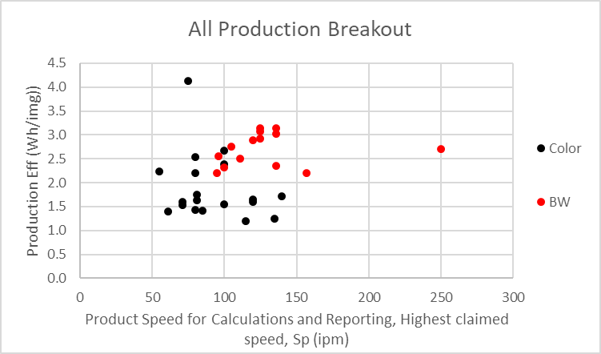
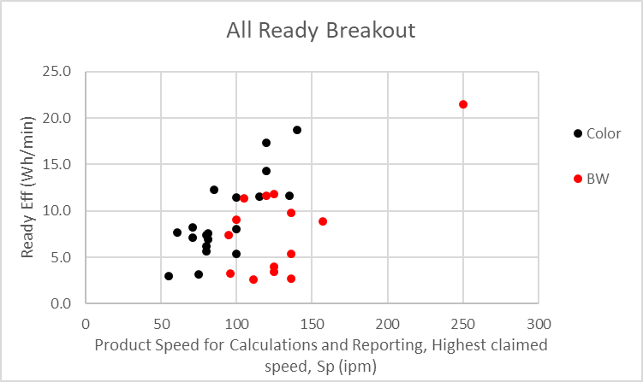
 |  |  | `

The plots in this sheet illustrate the key relationships that drive the criteria levels proposed in the ENERGY STAR Imaging Equipment Version 3.2 Draft Specification.

Production Efficiency Plots | Ready Mode Efficiency Plots | Production Efficiency vs. Ready Power Plots

