2. Version 9.0 Criteria
 | Version 9.0 Certification Criteria

 |  | On Mode Requirements

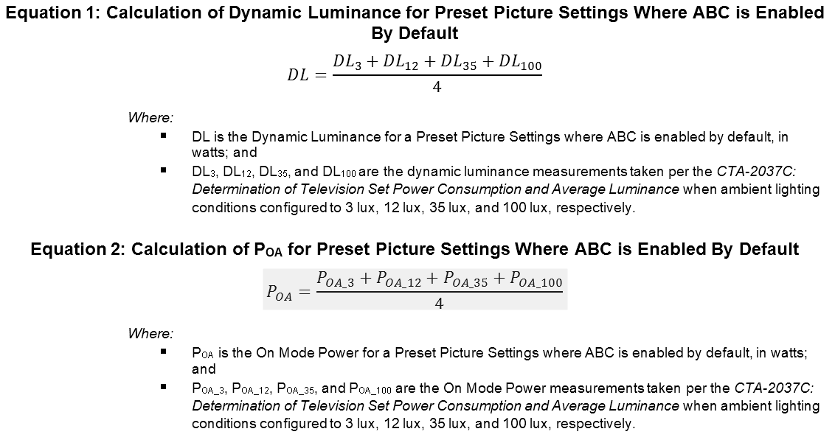

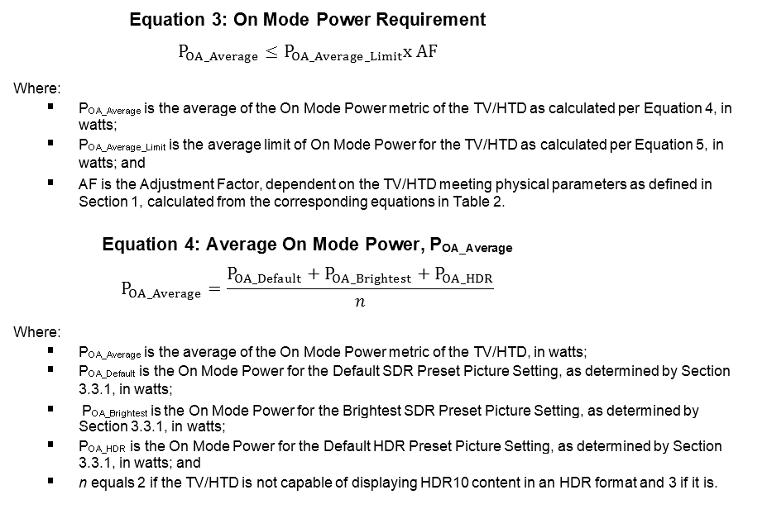

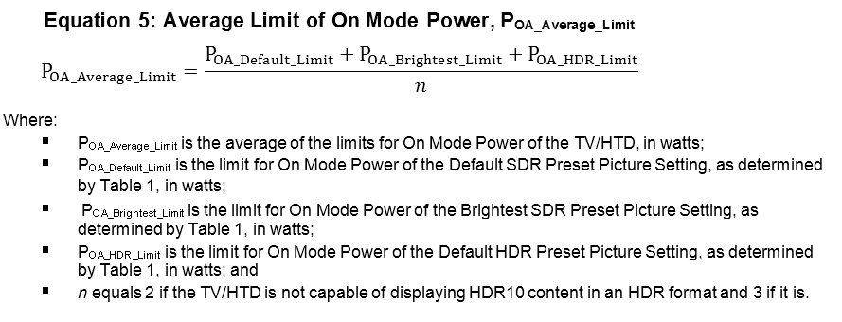

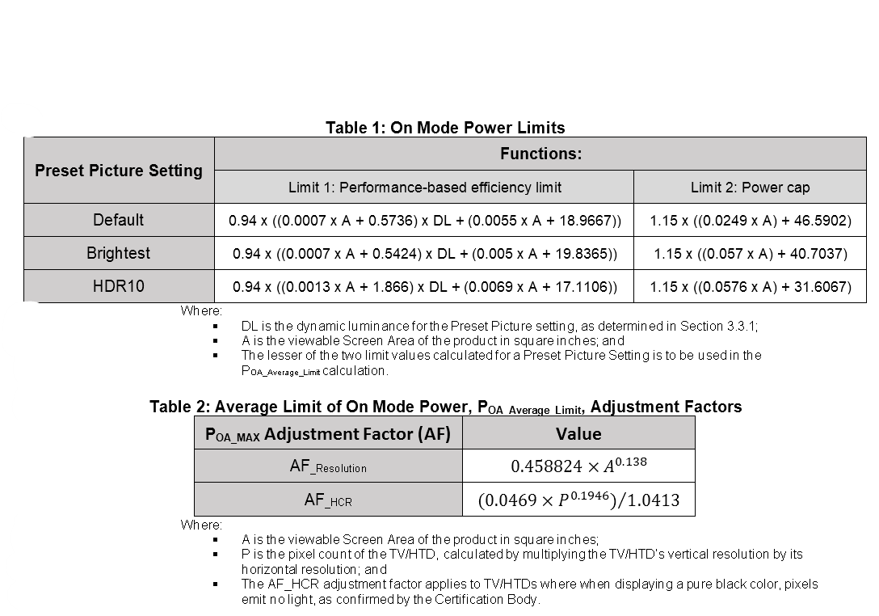

Standby-Passive Mode Requirements |  |  | Standby-Active, Low Mode Requirements
Maximum Power Consumption of 0.5W |  |  | Maximum Power Consumption of 1.0W

2b. On Mode Evaluation Steps
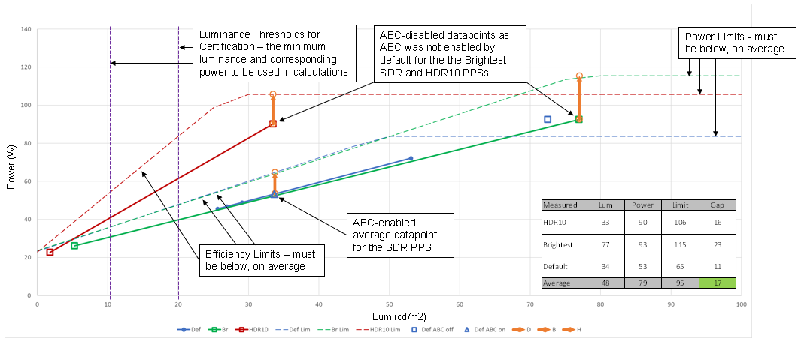
The following outlines how a TV is evaluated for On Mode:

Step 1: Calculate the On Mode Power Limits for each Preset Picture Setting (PPS) as specified in Table 1 of the ENERGY STAR Televisions Version 9.0 Draft 2 specification (in Tab 2 of this workbook).

Step 2: For PPSs where Automatic Brightness Control (ABC) is enabled by default, calculate the average Power and average Dynamic Luminance values for the PPS.

Visual Example (for one PPS):
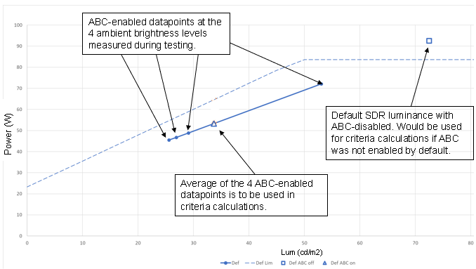
On Mode Power Limits for the PPS make this curve

Step 3: Verify whether measured Dynamic Luminance values (or the calculated average values for PPSs with ABC enabled by default) of each PPS are above the certification thresholds. Interpolate new Dynamic Luminance and On Mode Power values for PPSs where the value of its Dynamic Luminance is below the threshold. Steps to do this are outlined in Section 3.3.1.iii of the ENERGY STAR Version 9.0 Draft 2 Specification.

Step 4: Calculate whether a TV meets On Mode Power requirements. Visual Example:

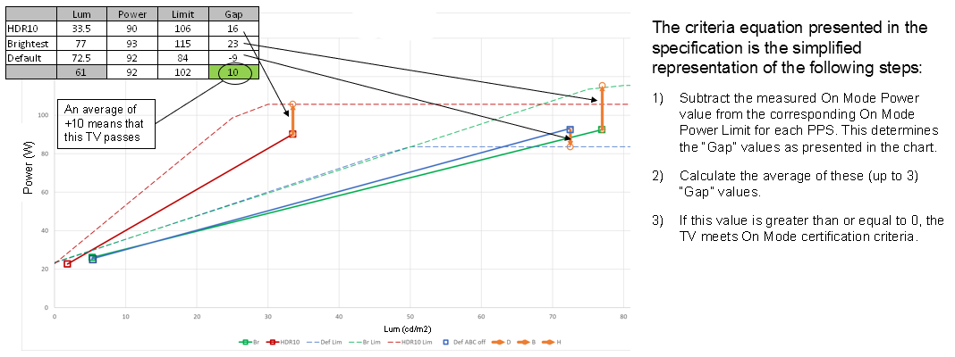

Visual example showing all steps together for a TV with ABC enabled by default for the Default SDR PPS and dynamic luminance measurements and calculations already above the luminance thresholds for certification:

2c. Plots
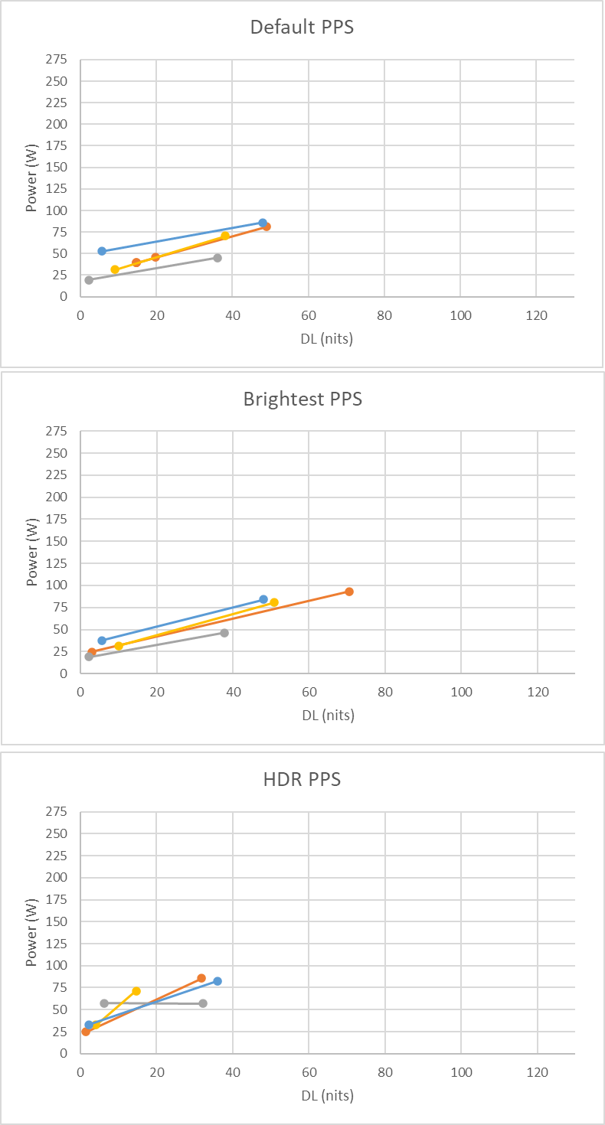
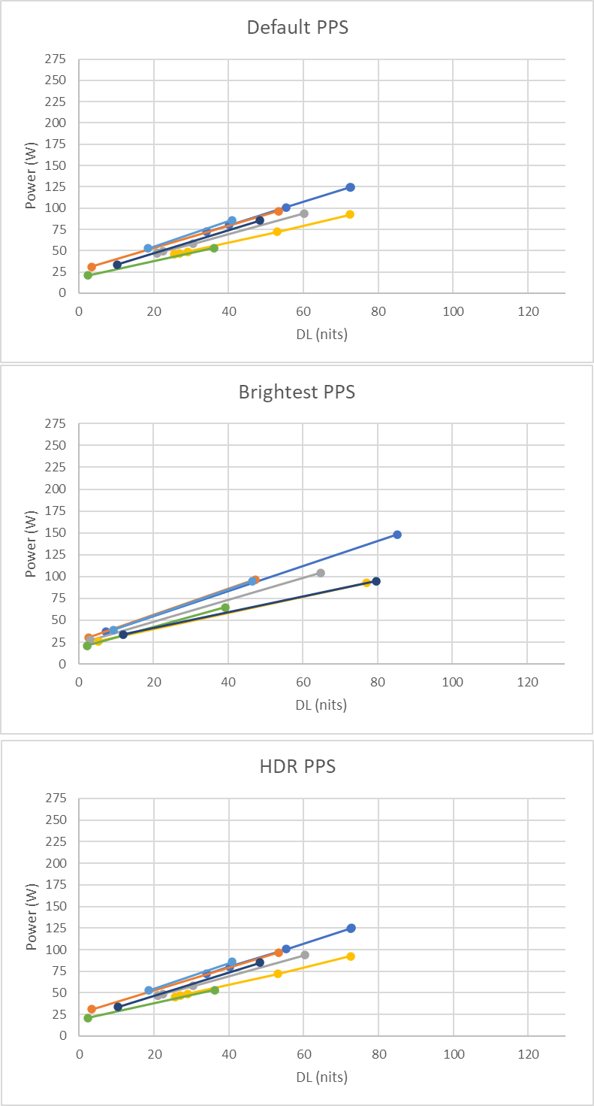
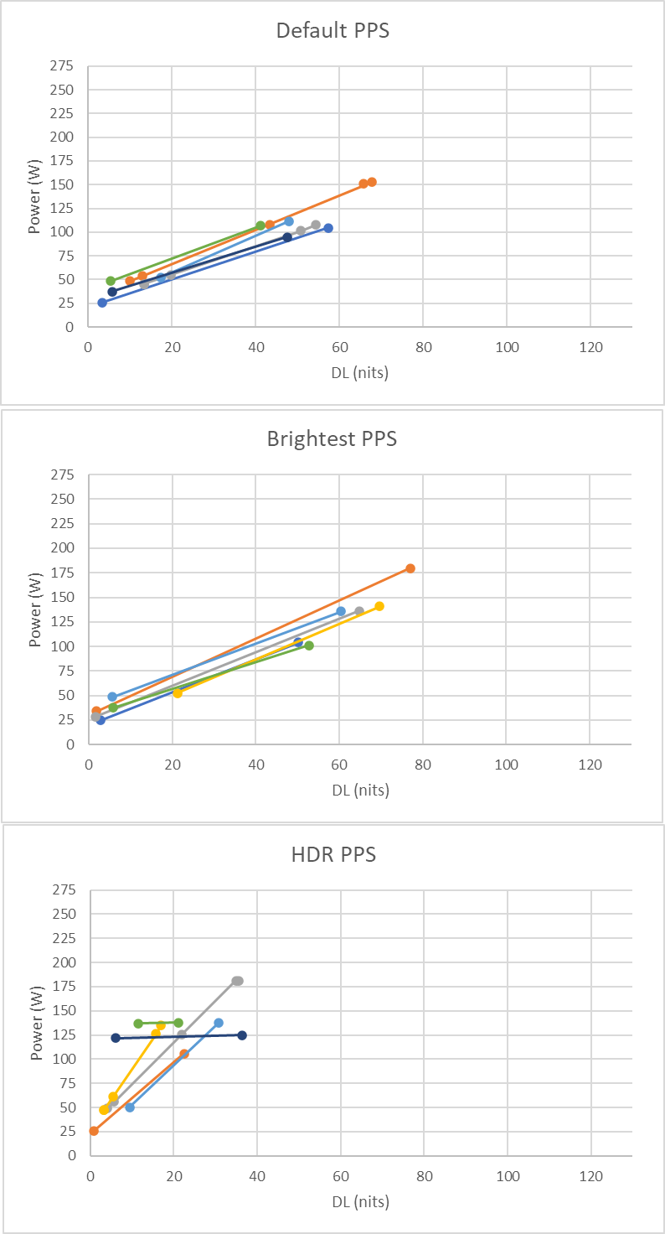
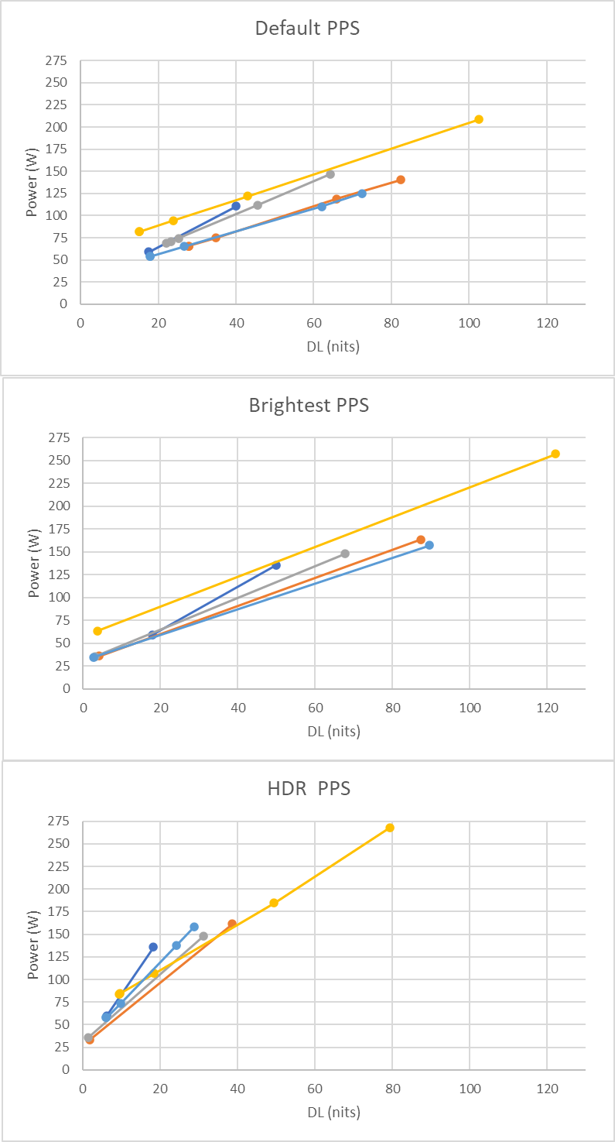
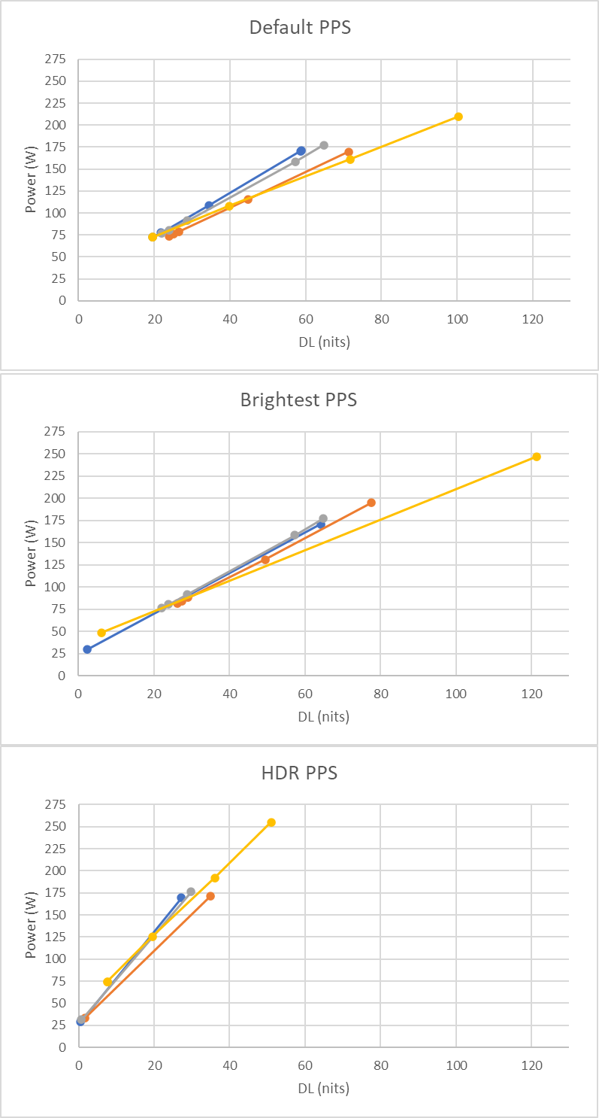
 |  |  |  |  |  | `
The following plots illustrate the distribution of TV (all 4K) dimming lines per Preset Picture Setting per size bin.

- Each plot contains the dimming lines of all 4K TVs with a diagonal screen size within the corresponding size bin in the current dataset.
- Dimming lines that indicate no variation in power for a varied dynamic luminance (flat lines) are caused by technologies that use adjustable filters to block light as opposed to actually Dimming backlight levels.

 | <=47.5" Size Bin | 47.5"<x<=52.5" Size Bin | 52.5"<x<=59.5" Size Bin | 59.5"<x<=69.5" Size Bin | 69.5"<x<=80" Size Bin

